2. Process Help
RISK MANAGEMENT PROCESS: OVERVIEW

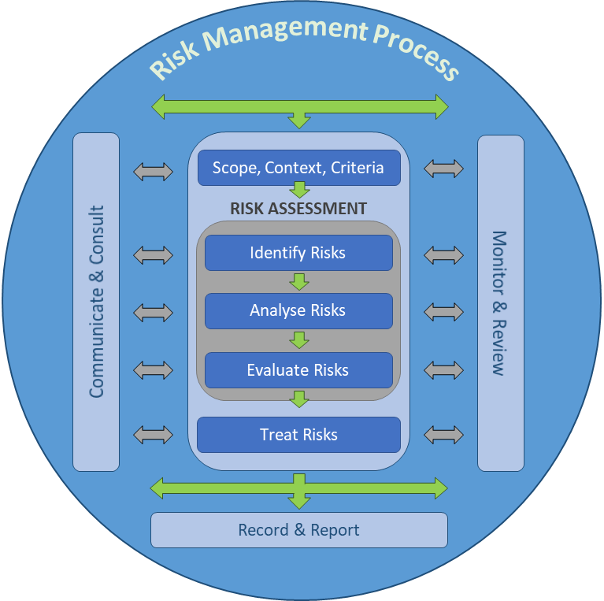
1. The SCOPE, CONTEXT, and CRITERIA identifies the subject of the risk assessment. For Guidance, See Tab 3.

2. IDENTIFY risks by asking, "What could occur that would have an impact on our objectives?" Risks have three key elements: Event, causes, impacts.

3. Risks ANALYSIS involves ranking the likelihood and consequence using a 1-5 scale. For Guidance, See Tab 4.

4. In order to EVALUATE risks the group reviews the effectiveness and appropriateness of currents controls and determines what action to take, if any. For Guidance, See Tab 5.

5. Risk TREATMENT is the activity (s) you are going to implement to better manage your exposures. Your mitigations will reduce the likelihood and/or consequence of the risk event occurring.

NOTE: This template was taken from the BC Governments Risk Management for Government and Provincial Public Sector (Risk Management for Government & Provincial Public Sector - Province of British Columbia).

